Sheet2
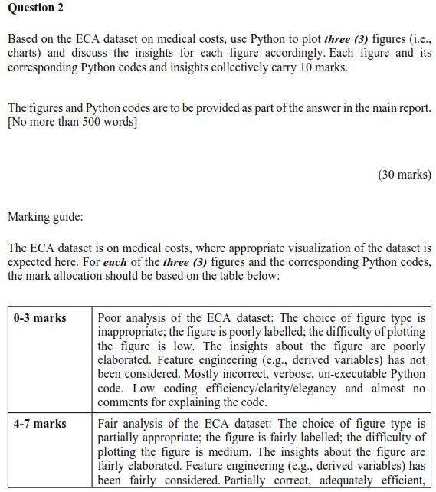
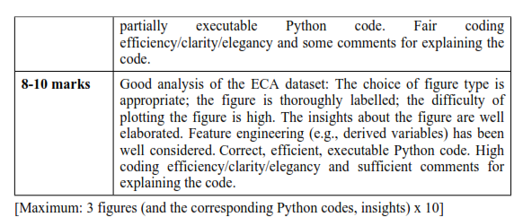
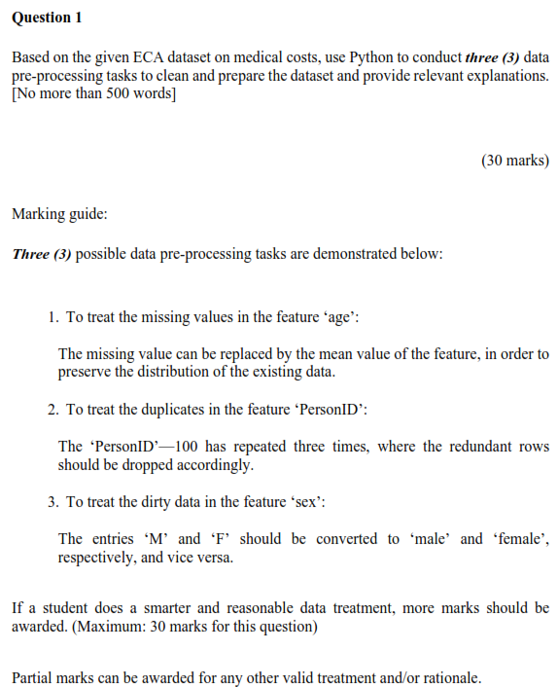
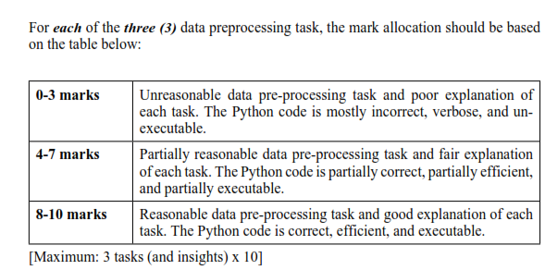
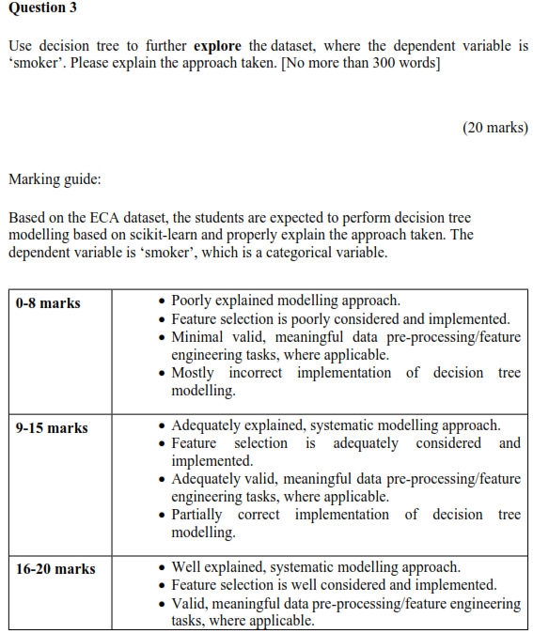
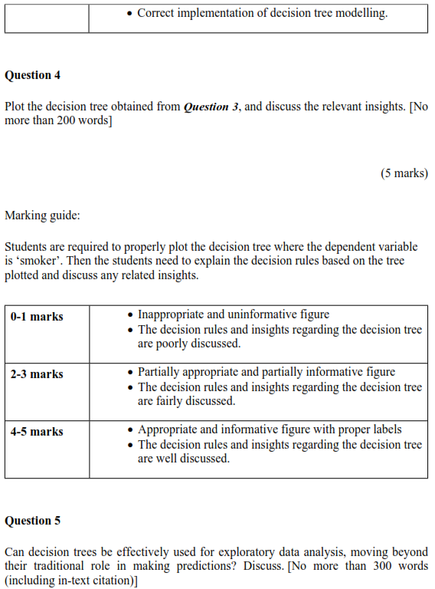
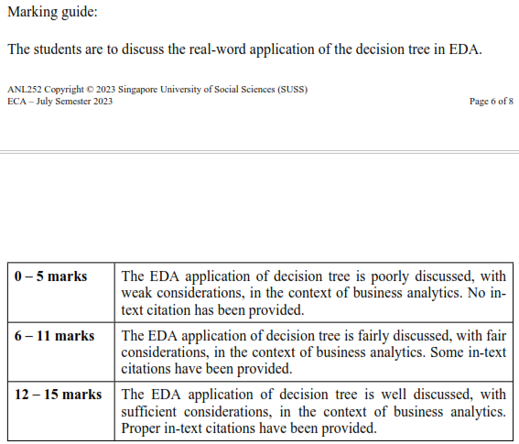
Student | 1 | 2 | 3 | 4 | 5 | Total
 | 30 | 30 | 20 | 5 | 15 | 100
ADAM ABDULLAH ANG | 22 | 22 | 15 | 3 | 7 | 69
AILN AIK XIU JING | 18 | 23 | 13 | 2 | 10 | 66
ANG KIA LOKE | 20 | 20 | 15 | 4 | 8 | 67
ANG XIU ZHI | 20 | 25 | 14 | 2 | 7 | 68
BIN ISHAK HILMI | 18 | 25 | 14 | 3 | 7 | 67
CHEN SHI YUN | 20 | 25 | 13 | 2 | 10 | 70
CHUA QI YING | 20 | 25 | 14 | 3 | 8 | 70
CHUA YONG HUA | 18 | 18 | 12 | 3 | 10 | 61
CHUA YU ZHE | 18 | 22 | 15 | 0 | 10 | 65
DARRION GOH ING HEAN | 18 | 22 | 15 | 4 | 7 | 66
DON LEE YANG | 22 | 25 | 14 | 4 | 12 | 77
GOH JIA YI SAMUEL | 10 | 25 | 14 | 2 | 10 | 61
GOH JUN JIE | 18 | 25 | 13 | 2 | 9 | 67
GOH QING FENG | 25 | 25 | 15 | 4 | 10 | 79
GWENDOLYN YEO ZI HUI (YANG ZIHUI) | 25 | 25 | 14 | 3 | 10 | 77
HAMREESH S/O ARIVALAGAN | 21 | 18 | 13 | 2 | 8 | 62
LAU WEI LIAN (LIU WEILIAN) | 22 | 18 | 10 | 0 | 8 | 58
LEE JAY HOON JENNY | 20 | 23 | 13 | 2 | 8 | 66
LEE WEI XUAN | 18 | 25 | 13 | 2 | 8 | 66
LIM KAI WEN | 26 | 25 | 14 | 4 | 12 | 81
LIM SOON MENG | 25 | 25 | 15 | 4 | 7 | 76
LIU ANGELA QIYU | 20 | 25 | 15 | 3 | 8 | 71
LOKE KUM WAI (LU JINWEI) | 17 | 25 | 13 | 4 | 9 | 68
MOHAMMAD DANIAL BIN MOHAMMAD ISMAIL | 22 | 24 | 15 | 3 | 6 | 70
MUHAMMAD BIN OSMAN | 18 | 25 | 14 | 2 | 11 | 70
MUHAMMAD FITHRI BIN FADILIAH | 22 | 25 | 16 | 4 | 10 | 77
MUHAMMAD YUSUF BIN ZAINUDIN | 18 | 25 | 15 | 5 | 9 | 72
NAOMI TINA GAN MIN | 18 | 18 | 13 | 2 | 10 | 61
NG LING YING | 18 | 25 | 8 | 0 | 9 | 60
NG XUE ER, ARIEL | 22 | 25 | 14 | 0 | 0 | 61
NG YI JIAN | 20 | 25 | 14 | 4 | 8 | 71
NUR AMEERAH BINTE NASSIRUDIN | 18 | 10 | 0 | 0 | 10 | 38
NUR FAZILLAH BINTE ABDUL RAHMAN | 17 | 25 | 13 | 0 | 8 | 63
NUR HAMIZAH BINTE RIDWAN | 20 | 25 | 13 | 4 | 10 | 72
NUR RUZAINATUL HUSNAA BINTE ABDUL JALIL | 18 | 25 | 14 | 0 | 7 | 64
ONG CHIEW LING | 22 | 25 | 14 | 0 | 9 | 70
ONG ISAAC CHRISTOPHER WEN XUAN | 19 | 25 | 15 | 2 | 11 | 72
ONG LEE ZHU | 20 | 20 | 10 | 0 | 0 | 50
ONG MING DA |  |  |  |  |  | 0
ONG SHENG DA | 25 | 25 | 15 | 4 | 12 | 81
PANG SHI DA LAWRENCE |  |  |  |  |  | 0
PEREIRA KATHLYN THERESE | 20 | 22 | 12 | 0 | 8 | 62
POH SZE YING | 20 | 23 | 0 | 0 | 7 | 50
RIS NURISH ISZRYFINNA BINTE MOHAMED ISMAIL | 17 | 18 | 12 | 4 | 7 | 58
SHAFINA BINTE HAZMAN | 18 | 25 | 15 | 4 | 10 | 72
TAN BEVERLYN | 27 | 22 | 12 | 2 | 9 | 72
TAN MEI YI RACHEL | 20 | 25 | 15 | 4 | 10 | 74
TAN PEI LING | 25 | 25 | 14 | 4 | 8 | 76
TAN WEE HUAT | 20 | 22 | 8 | 2 | 10 | 62
TAN ZEKAI, MARCUS | 27 | 25 | 15 | 4 | 8 | 79
TEA ICH NGY | 20 | 25 | 15 | 2 | 6 | 68
TEH YI LIN | 22 | 25 | 15 | 2 | 9 | 73
VILLANUEVA VAN HALLY BORINES | 25 | 25 | 15 | 4 | 9 | 78
WONG KEE MOI |  |  |  |  |  | 0
YEO JIA JIE, JACKSON | 20 | 25 | 12 | 1 | 8 | 66
YIEW SHER KYM LYNETTE | 25 | 25 | 15 | 4 | 10 | 79

